LA MER & FRIENDS 3
LA MER & FRIENDS 3
PHOTO | REF | DESCRIPTION | SIZE | QTY | RETAIL | TOTAL | EAN | BATCH CODE | LINK for PRICE
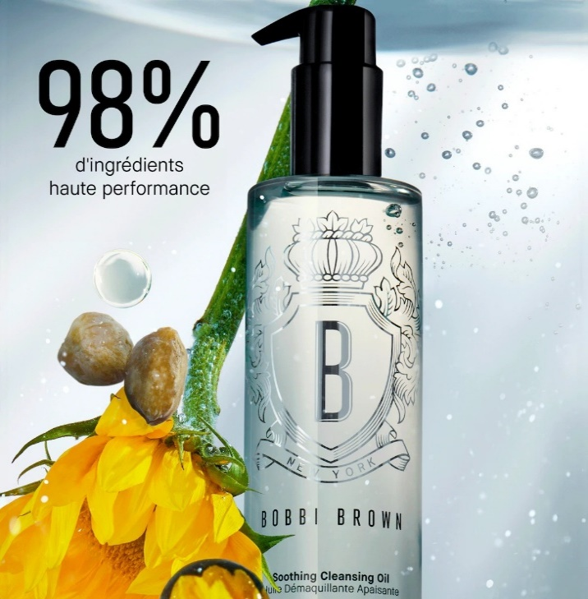 | H8YN010421 | Bobbi Brown - The Met Soothing Cleansing Oil | 400ML | 897 | 107.00 € | 95,979.00 € | TBC | D46,AA5,B36,BB5,B26,A56,CC5,A16 | https://www.bobbibrowncosmetics.fr/product/14006/123703/soin/soothing-cleansing-oil?srsltid=AfmBOopQxOXYrKErEKWrB-ko-CSbx6-SfudR2Dq0YnU8HNe_-RhjbeIs
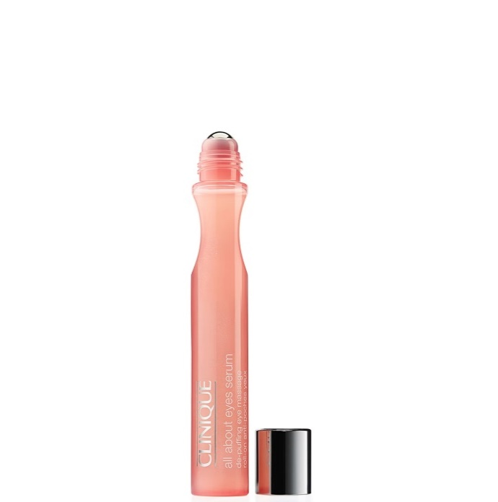 | AAYE010015 | Clinique - All About Eyes Serum | 15ML | 454 | 40.25 € | 18,273.50 € | 020714426774 | A75 | https://www.lookfantastic.fr/p/clinique-clinique-all-about-eyes-serum-de-puffing-eye-massage-0/11144761/?affil=thggpsad&switchcurrency=EUR&shippingcountry=FR&shoppingpid=1331567&affil=thgppc&kwds=&thg_ppc_campaign=21047738283&adtype=pla&product_id=11144761&cq_src=google_ads&cq_cmp=21047738283&cq_con=&cq_term=&cq_med=pla&cq_plac=&cq_net=x&cq_plt=gp&gclsrc=aw.ds&gad_source=1&gad_campaignid=21054441773&gbraid=0AAAAAD-fXiqB2cYXrqo5u4Ou7YFl4-X7J&gclid=CjwKCAjwy5rUBhB5EiwAIoAtCm1pq6BhsoKII1Mio-2N_Hm6fTBiGi45Fj5s7mhy8uSNNLq_4eJwqBoC8DAQAvD_BwE
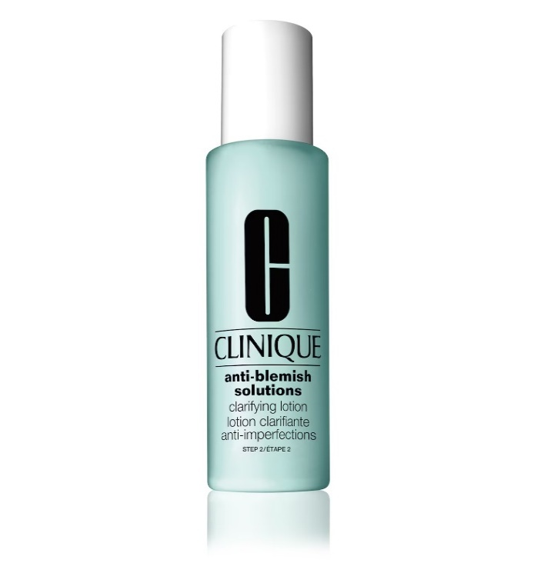 | ABCL010200 | Clinique - Anti-Blemish Solutions Clarifying Lotion | 200ML | 31 | 30.00 € | 930.00 € | 020714281113 | A66 | https://www.clinique.fr/product/anti-blemish-solutions-lotion-exfoliante-4?gad_source=1&gad_campaignid=22556112904&gbraid=0AAAAAD9aSEmkcnGPdqsuFjlgqFenbDMl7&gclid=CjwKCAjwy5rUBhB5EiwAIoAtCg7N4X__LyOLFJMmfC4KVTSaZXqS3XHG2lOYhO3pGcwuCbnhS-C08hoCitwQAvD_BwE
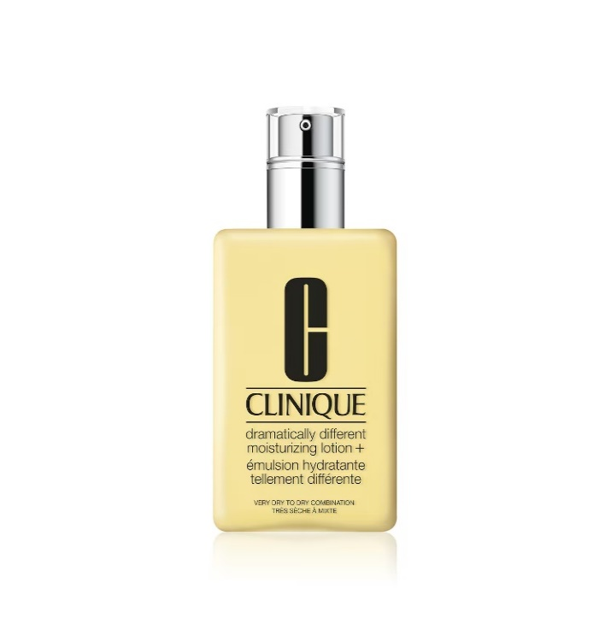 | 7T5R01000H | Clinique - Dramatically Different Moisturizing Lotion+ | 125ML | 544 | 43.00 € | 23,392.00 € | 020714598907 | C26 | https://www.clinique.fr/product/dramatically-different-emulsion-hydratante?size=125_ml&gad_source=1&gad_campaignid=22556080234&gbraid=0AAAAAD9aSEnn9wlmF6gpy6UEgvkSBSn9T&gclid=CjwKCAjwy5rUBhB5EiwAIoAtCuMeROyw1ipb957pVVkr7qQqjK8zD1LwAFJbkOI1JyvxDpFu8c5nphoC51IQAvD_BwE
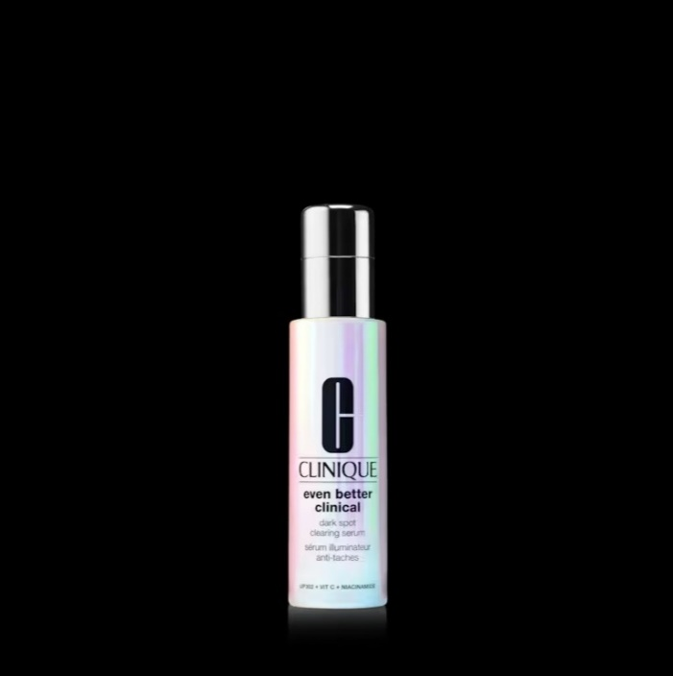 | 6EM601L44H | Clinique - Even Better Clinical Dark Spot Clearing Serum | 50ML | 150 | 125.00 € | 18,750.00 € | 192333166963 | A16 | https://www.clinique.fr/product/even-better-clinical-serum-purifiant-anti-taches?size=50_ml&gad_source=1&gad_campaignid=22556112904&gbraid=0AAAAAD9aSEmkcnGPdqsuFjlgqFenbDMl7&gclid=CjwKCAjwy5rUBhB5EiwAIoAtCnnPqQQLCozUf-2o269XsBPk-SnnZthF4KQLnnwczZYBReSoXarZdxoCoEkQAvD_BwE
 | V8CY01L472 | Clinique - Even Better Clinical Dark Spot Clearing Serum | 100ML | 312 | 130.90 € | 40,841.50 € | 192333167137 | A56 | https://www.clinique.fr/product/even-better-clinical-serum-purifiant-anti-taches?size=50_ml&gad_source=1&gad_campaignid=22556112904&gbraid=0AAAAAD9aSEmkcnGPdqsuFjlgqFenbDMl7&gclid=CjwKCAjwy5rUBhB5EiwAIoAtCsRrKU3Y3IxK_e8bZBAR5uyw-G0w7cLPpPNaU4XywEsP7s7k9mJhRRoCmQkQAvD_BwE
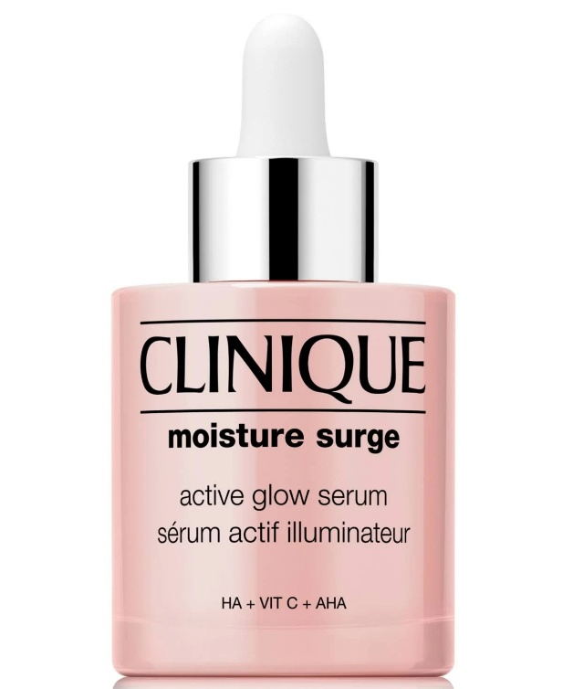 | VF6T010001 | Clinique - Moisture Surge Active Glow Serum | 30ML | 800 | 49.00 € | 39,200.00 € | 192333211762 | A36 | https://www.clinique.fr/product/moisture-surge-serum-active-glow?srsltid=AfmBOophuLjjU5OBU9aUtvoSEN8bPjpBISgOcq44z4FT2DGxXowm7H09
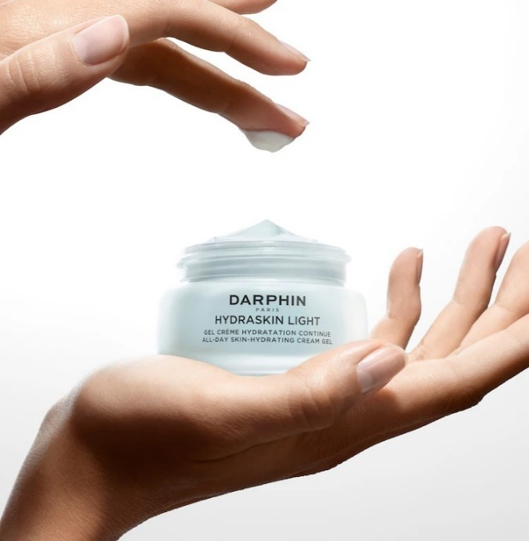 | D0CM01000T | Darphin - Hydraskin Light Hydrating Cream Gel | 50ML | 2,859 | 50.00 € | 142,950.00 € | 882381004644 | A16 | https://www.solidblanc.com/vendors/darphin/darphin-hydraskin-light-cream-gel-50ml.htm
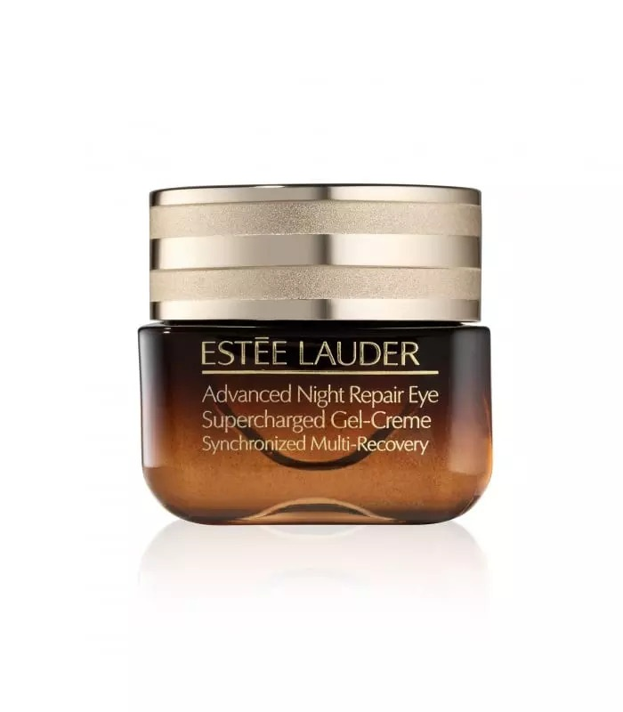 | RLNR010100 | Estée Lauder - Advanced Night Repair | 15ML | 448 | 53.00 € | 23,744.00 € | 887167588509 | K56 | https://www.esteelauder.fr/product/advanced-night-repair-complexe-multi-reparation-synchronisee?srsltid=AfmBOor5oeYn1xOQuQ5cb_0sgYFVz0hpaKSk-hftc6Mq-K_kpRuuhfen
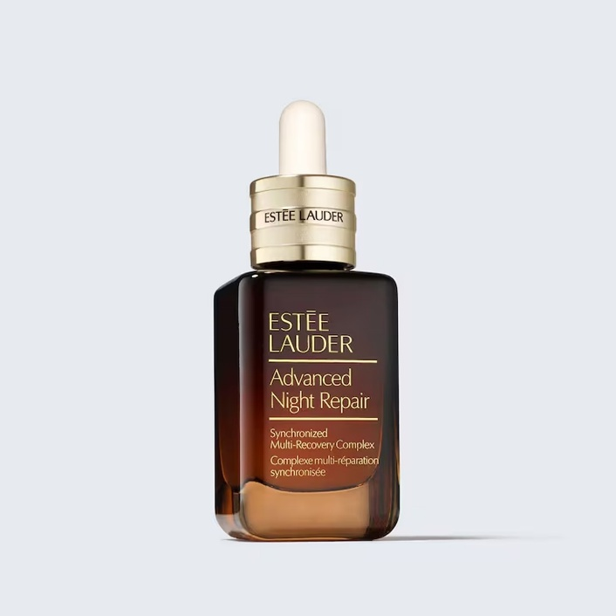 | PG5001047J | Estée Lauder - Advanced Night Repair | 50ML | 1,080 | 146.00 € | 157,680.00 € | 887167485488 | C26 | https://www.esteelauder.fr/product/advanced-night-repair-complexe-multi-reparation-synchronisee?srsltid=AfmBOorg12X6CeZyDlAOayPz1_N8PdEb2oSOZFCtLpu3oqX9bTcj6-wH
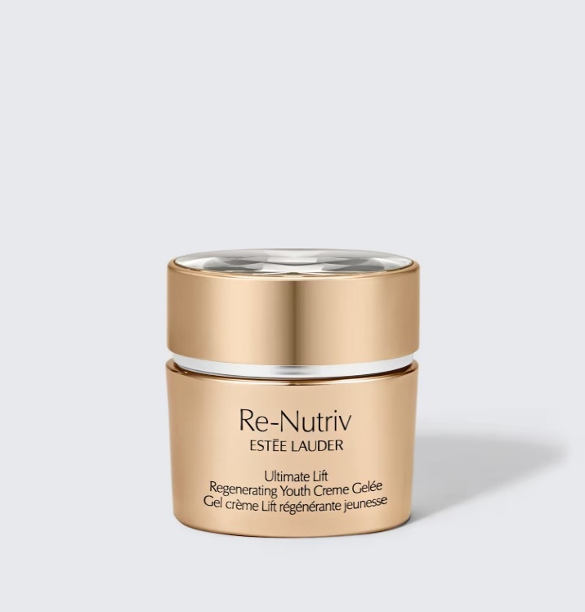 | PJXL010421 | Estée Lauder - Re-Nutriv Ultimate Lift Regenerating Youth Creme Gelée (No Retail Box) | 50ML | 1,590 | 400.00 € | 636,000.00 € | 887167513174 | AB4 | https://www.esteelauder.fr/product/re-nutriv-ultimate-lift-regenerating-youth-gel-creme-regenerant-jeunesse?srsltid=AfmBOopN4da8I0GBMoMrwImd4bVMXVZdzcuEiDwbQf88itPdO6C6F4w5
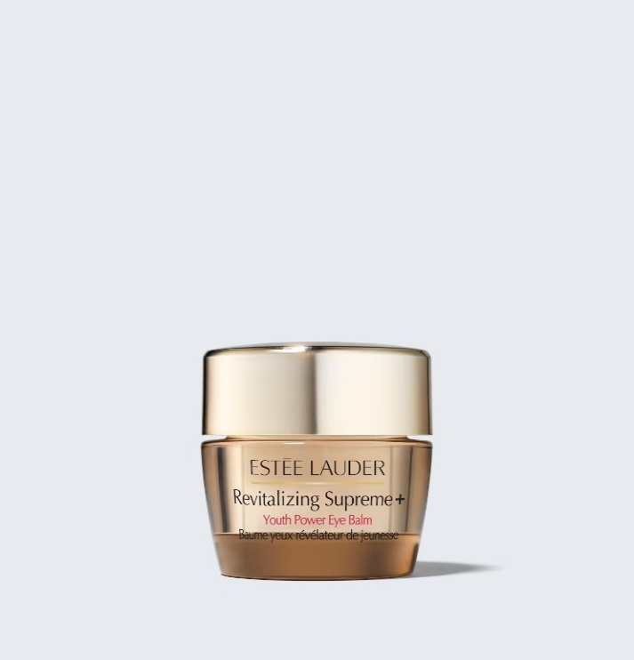 | LJER410421 | Estée Lauder - Revitalizing Supreme+ Youth Power Eye Balm | 15ML | 24 | 94.00 € | 2,256.00 € | 887167539587 | B16 | https://www.esteelauder.fr/product/revitalizing-supreme-baume-yeux-revelateur-de-jeunesse?srsltid=AfmBOoqWwiCGU-7DQh9CWwdseQ6BPVERhOKkGuVYi1woO1g0hX7XvaYn
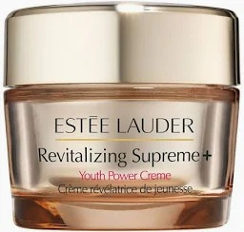 | PMY001L441 | Estée Lauder - Revitalizing Supreme+ Youth Power Soft Creme | 75ML | 635 | 124.00 € | 78,740.00 € | 887167539556 | AC5,D46,A26,AB5,A46,B26 | https://www.esteelauder.fr/product/revitalizing-supreme-creme-hydratante-delicate-revelatrice-de-jeunesse?srsltid=AfmBOop41TDoaoq2JW1gwa63Vy8g-_L7a1K3qblfM4VWFQ4Y43MuFoEz
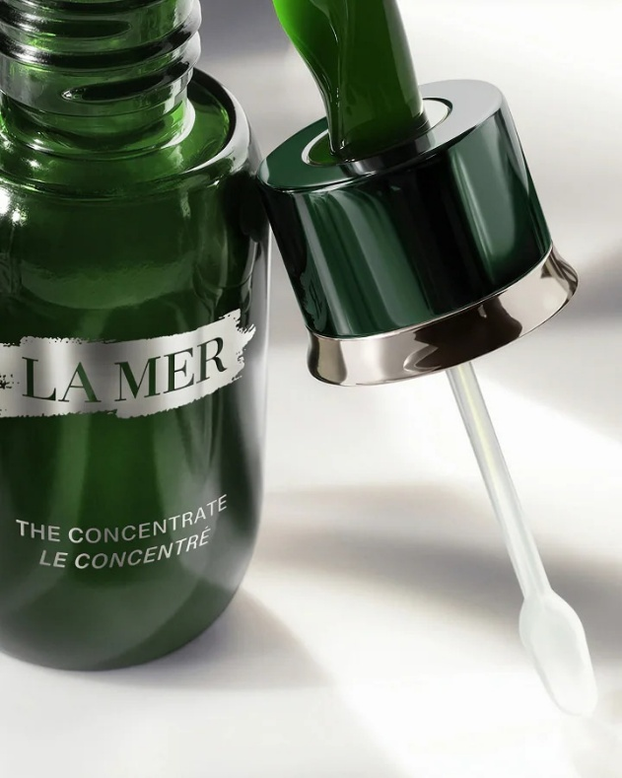 | 44LB01L002 | La Mer - The Concentrate | 50ML | 710 | 590.00 € | 418,900.00 € | 747930185932 | C36,E46,D46,F46,B46,C46 | https://www.cremedelamer.fr/the-concentrate-collection?srsltid=AfmBOooKH0I9g1wuGzO5hlne_3p4Gk-6kCkdbNKhHdQX-DgUe8oQUxqT
 | 44LB01L100 | La Mer - The Concentrate | 100ML | 65 | 960.00 € | 62,400.00 € | 747930132219 | H46,G46 | https://www.cremedelamer.fr/the-concentrate-collection?srsltid=AfmBOooKH0I9g1wuGzO5hlne_3p4Gk-6kCkdbNKhHdQX-DgUe8oQUxqT
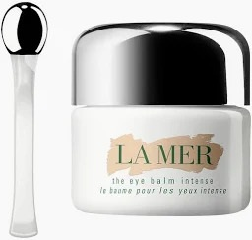 | 5E8L01Z001 | La Mer - The Eye Balm Intense (No Retail Box) | 15ML | 3,780 | 250.00 € | 945,000.00 € | 747930061007 | MF6 | https://www.cremedelamer.fr/product/20652/13071/face/eye-treatments/le-baume-pour-les-yeux-intense?srsltid=AfmBOop8kwkKziU0kUMF20v2yGqQbf3QHxF_ca56KRI_OcOmxdBvr0Rj#/sku/26149
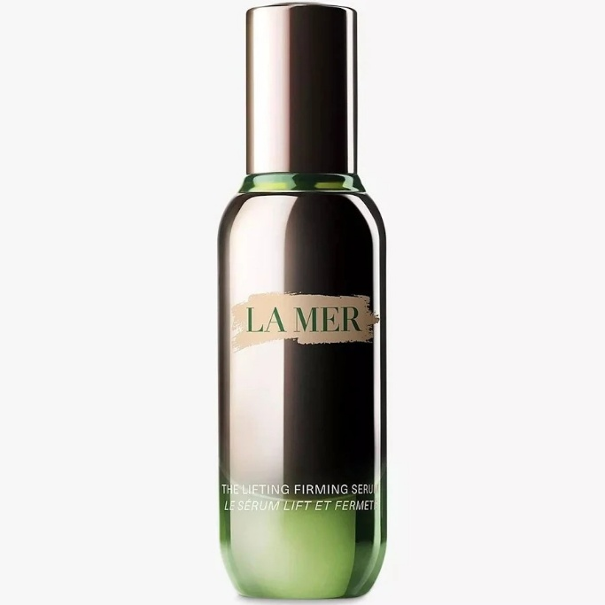 | 5LFT01L003 | La Mer - The Lifting Firming Serum | 30ML | 44 | 410.00 € | 18,040.00 € | 747930096689 | A36 | https://www.cremedelamer.fr/product/9090/121162/face/serums/le-serum-lift-et-fermete?srsltid=AfmBOooc9bcyc0zUKF9TDg6-nOauWwa01XsAFLZucvs43nYzeL9AZuES#/sku/176899
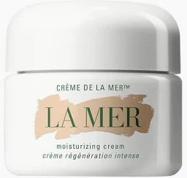 | 332002L00D | La Mer - The Moisturizing Cream | 60ML | 95 | 405.00 € | 38,475.00 € | 747930000013 | H56,G56,R56 | https://www.cremedelamer.fr/product/5834/104371/face/moisturizers/la-creme-soyeuse-regeneration-intense?gad_source=1&gad_campaignid=23062206673&gbraid=0AAAAADmYj3hWRw5GWrrmnT4mG-eo7L0xT&gclid=CjwKCAjwy5rUBhB5EiwAIoAtChdFzLlJzwxgr_uHEZLnxlYD4UwviQtmj7BHTdvCtaro1PDSP2kywRoC1GAQAvD_BwE#/sku/153759
 | 407X01000J | La Mer - The Treatment Lotion | 150ML | 24 | 195.00 € | 4,680.00 € | 747930121695 | CC5 | https://www.cremedelamer.fr/product/11484/99912/preparer/la-lotion-pre-soin?srsltid=AfmBOoqHuVpnC-LgDk1PILpaDfGCJOf1nFn5Pj8AaAjnktr8zStYK-0k#/sku/147757
 | 40PD010002 | La Mer - The Treatment Lotion | 250ML | 65 | 265.00 € | 17,225.00 € | 747930171249 | F36,J16 | https://www.cremedelamer.fr/product/11484/99912/preparer/la-lotion-pre-soin?srsltid=AfmBOoqHuVpnC-LgDk1PILpaDfGCJOf1nFn5Pj8AaAjnktr8zStYK-0k#/sku/147757
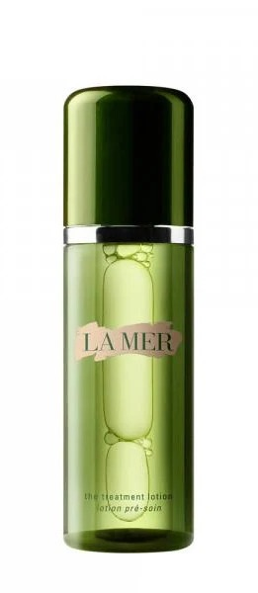 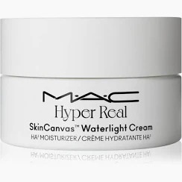 | S6SB010471 | MAC - Hyper Real SkinCanvas Waterlight Cream HA3 | 15ML | 6,480 | 21.00 € | 136,080.00 € | 773602757800 | A46 | https://www.maccosmetics.fr/product/hyper-real-creme-ha3-hydratante-legere-skincanvas?srsltid=AfmBOoqBeYcaPCiWibANjIfnxJ6Ja8DmKJ8r9woHUpoZ2-h_axCW2-hR
TOTAL LA MER & FRIENDS 3 |  |  |  | 21,087 | 138.45 € | 2,919,536.00 €

